Problem
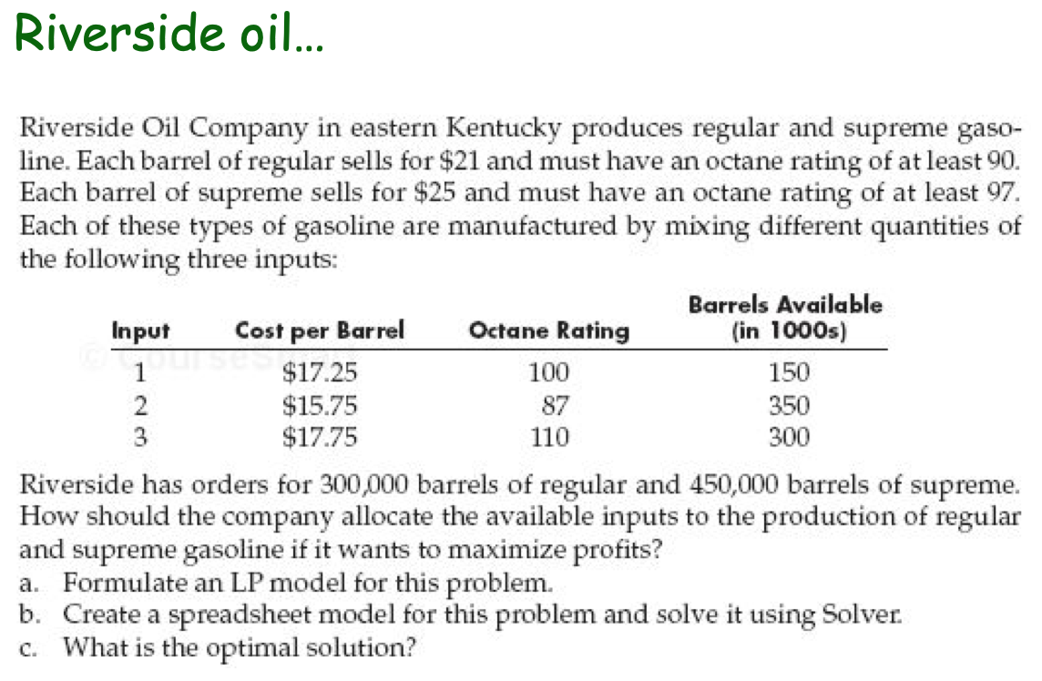

Solution
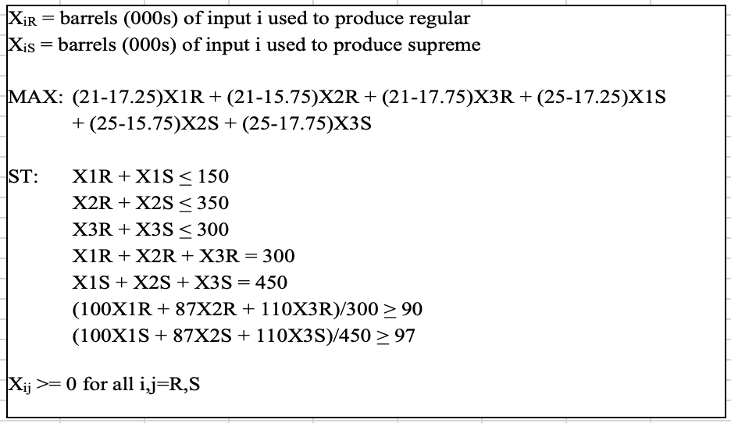
Riverside Oil |  | Let Bij = barrels(in 1000s) of type I used to produce product j
 |  | i= 1,2,3 | j= R, S
 | REGULAR |  |  | SUPREME
 | B1R | B2R | B3R | B1S | B2S | B3S
Barrels (in 1000s) | 230.76923077 | -35.117056856 | 104.34782609 | 0 | 254.34782609 | 195.65217391
Profit (MAX) | 3.75 | 5.25 | 3.25 | 7.75 | 9.25 | 7.25 | 4791.3461538
300K barrels of Reguar | 1 | 1 | 1 |  |  |  | 300 | = | 300
450K barrels of Supreme |  |  |  | 1 | 1 | 1 | 450 | = | 450
90 octane of Regular | 0.28571428571 | 0.24857142857 | 0.31428571429 |  |  |  | 90 | >= | 90
97 octane of Supreme |  |  |  | 0.22222222222 | 0.19333333333 | 0.24444444444 | 97 | >= | 97
150 Barrels of type 1 | 1 |  |  | 1 |  |  | 230.76923077 | <= | 150
350 Barrels of type 2 |  | 1 |  |  | 1 |  | 219.23076923 | <= | 350
300 barrels of type 3 |  |  | 1 |  |  | 1 | 300 | <= | 300

